Sheet1
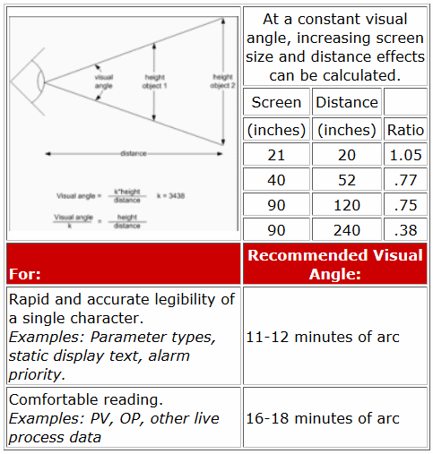
Enter your values in the pale yellow cells below.

Shape Height Calculator:
Determine Required Shape Height in Inches
Viewing Distance: | 32 | inches
Visual Angle: | 20 | minutes
Required Height: | 0.19 | inches

Convert Shape Height (above) in Inches to Pixels
Vertical Resolution: | 1024 | pixels
Monitor Screen Height: | 18 | inches
Required Height: | 10.59 | pixels

